Sheet1
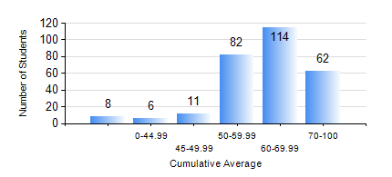
 |  |  | KWAME NKRUMAH UNIVERSITY OF SCIENCE AND TECHNOLOGY, KUMASI Department of Mechanical Engineering

 |  |  | BSC. MECHANICAL ENG.

 |  |  | COMPREHENSIVE RECORD OF EXAMINATION RESULTS

 |  |  | RESULTS OF YEAR 1 FIRST SEMESTER, 2020/2021 ACADEMIC YEAR

 | Sn | Course Code |  | Course Name | Credit Hours | Min. Mark | Max. Mark | Avg. Mark | Std. Dev. | No. Passed | No. Trailed | No. (Df) | No. (I) | No. (I*) | No. Tagged(I,I*,Df) | Total
 | 0. |  |  |  |  |  |  | 0 | 0 | 0 | 0 | 0 | 0 | 0 | 0 | 9
 | 1. | AME 167 |  | COMPUTER PROGRAMMING FOR ENGINEERING | 2 | 81 | 81 | 81 | 0 | 1 | 0 | 0 | 0 | 0 | 0 | 1
 | 2. | CE 155 |  | ENVIRONMENTAL STUDIES | 2 | 40 | 84 | 67 | 8.79 | 272 | 1 | 0 | 1 | 0 | 1 | 274
 | 3. | EE 151 |  | APPLIED ELECTRICITY | 3 | 18 | 100 | 58 | 16.25 | 237 | 36 | 0 | 1 | 0 | 1 | 274
 | 4. | ENGL 157 |  | COMMUNICATION SKILLS I | 2 | 16 | 86 | 67 | 9.78 | 271 | 3 | 0 | 0 | 0 | 0 | 274
 | 5. | MATH 151 |  | ALGEBRA | 4 | 40 | 88 | 63 | 10.6 | 273 | 1 | 0 | 0 | 0 | 0 | 274
 | 6. | ME 157 |  | INTRODUCTION TO INFORMATION TECHNOLOGY | 2 | 47 | 86 | 69 | 10.32 | 271 | 1 | 0 | 1 | 0 | 1 | 273
 | 7. | ME 159 |  | TECHNICAL DRAWING | 3 | 26 | 89 | 59 | 14.69 | 256 | 17 | 0 | 1 | 0 | 1 | 274
 | 8. | ME 195 |  | ENGINEERING TECHNOLOGY | 2 | 48 | 79 | 65 | 5.72 | 272 | 1 | 0 | 1 | 0 | 1 | 274

